Sheet1

 | 01D | 01N

Clear Sky


 | 02D | 02N

Few Clouds



 | 03D | 03N

Scattered Clouds


 | 04D | 04N

Broken Clouds

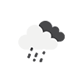
 | 09D | 09N

Shower

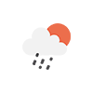
 | 10D | 10N

Rain

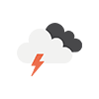
 | 11D | 11N

Thunderstorm

 | 13D | 13N

Snow



 | 50D | 50N

Mist

